Sheet1
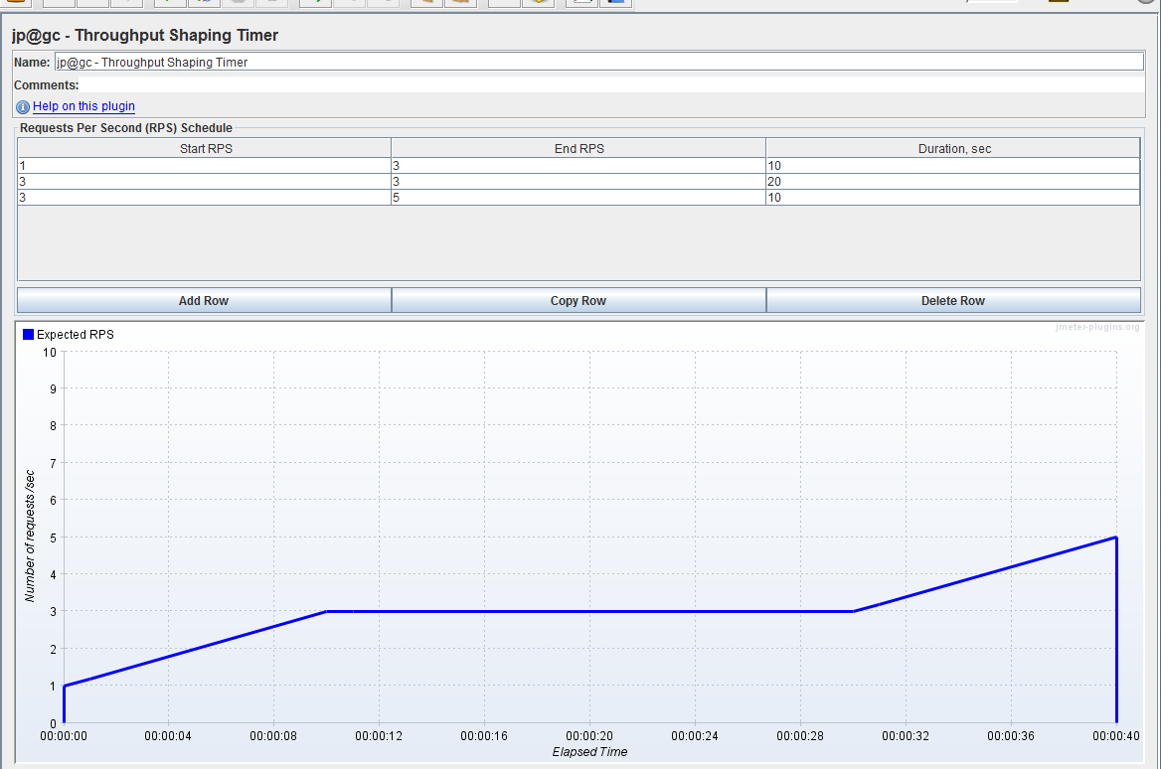
Constant Throughput Timer
 | Test Data | Number of Threads(users) | Ram-up Period | Loop Count | Throughput/second | Duration
Acceptance Load test | Sequence (First to Last) | 45 | 15 | 1 | 3 | 15
Baseline Load Test | Randomly | 30 | 10 | 1 | 3 | 10
2nd baseline Load Test | Randomly | 30 | 10 | 1 | 3 | 10
3rd baseline Load Test | Randomly | 30 | 10 | 1 | 3 | 10
Goal-reaching Load Test | Randomly | 300 | 100 | 1 | 3 | 100
Endurance Load Test | Randomly | 600 | 200 | 1 | 3 | 200
Throughput Shaping Timer |  | Throughput * <max response time> / 1000.
 | Start Throughput/second | End Throughput/second | Duration
 | 1 | 3 | 10
 | 3 | 3 | 20
 | 3 | 4 | 10

